Дешборд
КАТЕГОРИИ
 | Итог
Technology | 145455 К
Office Supplies | 122491 К
Furniture | 18451 К
 | Y
52 | 63
84 | 65
60 | 35
20 | 60
ПОДКАТЕГОРИИ
 | Итог
Copiers | 55618 К
Phones | 44516 К
Accessories | 41937 К
Paper | 34054 К
Binders | 30222 К
Chairs | 26590 К
Storage | 21279 К
Appliances | 18138 К
Furnishings | 13059 К
Envelopes | 6964 К
Art | 6528 К
Labels | 5546 К
Machines | 3385 К
Fasteners | 950 К
Supplies | -1189 К
Bookcases | -3473 К
Tables | -17725 К

ТОП 10 ПОКУПАЕМЫХ ТОВАРОВ
 | Итог
Storex Dura Pro Binders | 17
Staples in misc. colors | 19
Staples | 46
Staple-based wall hangings | 16
Staple remover | 18
Staple envelope | 48
Situations Contoured Folding Chairs, 4/Set | 15
Logitech 910-002974 M325 Wireless Mouse for Web Scrolling | 15
KI Adjustable-Height Table | 18
Easy-staple paper | 46
Avery Non-Stick Binders | 20

ВЫРУЧКА ПО МЕСЯЦАМ
 | Итог
янв | 2450 К
фев | 862 К
мар | 499 К
апр | 3489 К
май | 2739 К
июн | 4977 К
июл | -841 К
авг | 5318 К
сен | 8328 К
окт | 3448 К
ноя | 9292 К
дек | 8984 К
янв | -3281 К
фев | 2814 К
мар | 9732 К
апр | 4187 К
май | 4668 К
июн | 3336 К
июл | 3289 К
авг | 5356 К
сен | 8209 К
окт | 2817 К
ноя | 12475 К
дек | 8017 К
янв | 2825 К
фев | 5005 К
мар | 3612 К
апр | 2978 К
май | 8662 К
июн | 4750 К
июл | 4433 К
авг | 2062 К
сен | 9329 К
окт | 16243 К
ноя | 4011 К
дек | 17885 К
янв | 7140 К
фев | 1614 К
мар | 14752 К
апр | 933 К
май | 6343 К
июн | 8223 К
июл | 6953 К
авг | 9041 К
сен | 10992 К
окт | 9275 К
ноя | 9690 К
дек | 8483 К
МЕНЕДЖЕРЫ
 | Итог
Anna Andreadi | 108418 К
Chuck Magee | 91523 К
Cassandra Brandow | 46749 К
Kelly Williams | 39706 К
ДОЛИ РЕГИОНОВ
 | Итог
Central | 39706 К
East | 91523 К
South | 46749 К
West | 108418 К

Верхнеуровневая архитектура
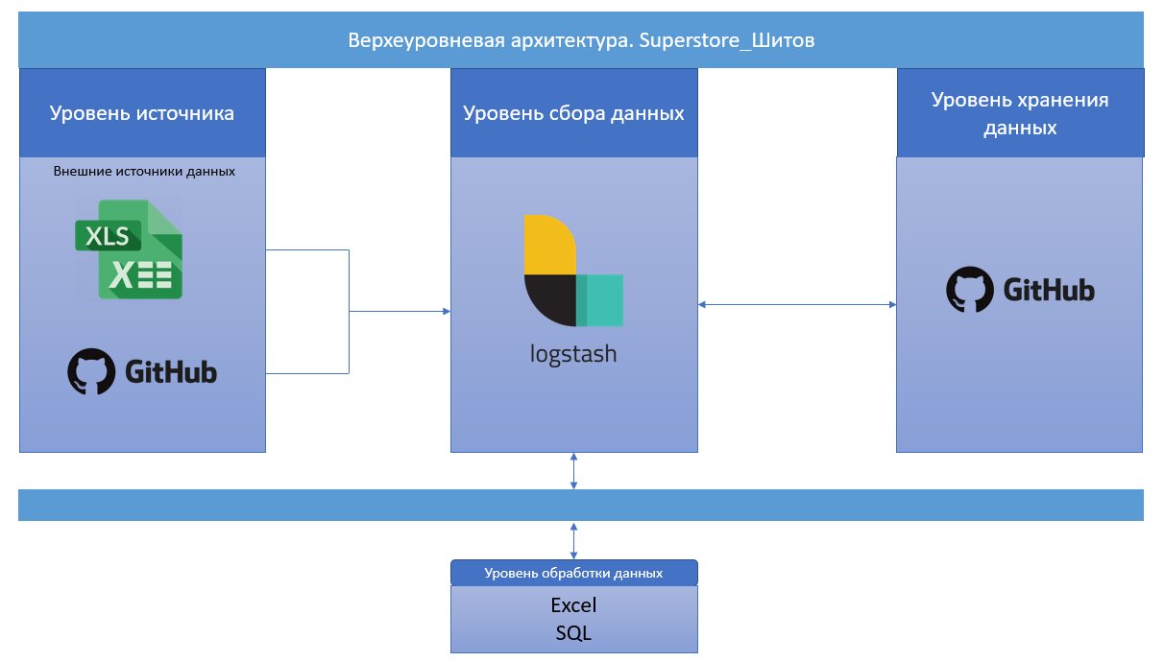

Категории
КАТЕГОРИИ
КАТЕГОРИИ

City | (Все)
State | (Все)
Годы | (Все)

Категории | Profit
Technology | 145К
Office Supplies | 122К
Furniture | 18К
Общий итог | 286К

Подкатегории
ПОДКАТЕГОРИИ
ПОДКАТЕГОРИИ

City | (Все)
State | (Все)
Годы | (Все)

Подкатегории | Profit
Copiers | 56К
Phones | 45К
Accessories | 42К
Paper | 34К
Binders | 30К
Chairs | 27К
Storage | 21К
Appliances | 18К
Furnishings | 13К
Envelopes | 7К
Art | 7К
Labels | 6К
Machines | 3К
Fasteners | 1К
Supplies | -1К
Bookcases | -3К
Tables | -18К
Общий итог | 286К

Карта
КАРТА

 |  |  | Регион | X | Y | Значение | Подписи
 |  |  | Central | 52 | 63 | $ 40K | Central $39 706
 |  |  | East | 84 | 65 | $ 92K | East $91 523
Region | Годы | Profit | South | 60 | 35 | $ 47K | South $46 749
Central | 2016 | $540 | West | 20 | 60 | $ 108K | West $108 418
Central | 2017 | $11,717
Central | 2018 | $19,899
Central | 2019 | $7,551
East | 2016 | $17,060
East | 2017 | $21,091
East | 2018 | $20,142
East | 2019 | $33,231
South | 2016 | $11,879
South | 2017 | $8,319
South | 2018 | $17,703
South | 2019 | $8,849
West | 2016 | $20,066
West | 2017 | $20,492
West | 2018 | $24,052
West | 2019 | $43,809

Выручка по месяцам
ВЫРУЧКА ПО МЕСЯЦАМ
ВЫРУЧКА ПО МЕСЯЦАМ

City | (Все)
State | (Все)

МЕСЯЦ | Profit
2016
янв | 2К
фев | 1К
мар | 0К
апр | 3К
май | 3К
июн | 5К
июл | -1К
авг | 5К
сен | 8К
окт | 3К
ноя | 9К
дек | 9К
2017
янв | -3К
фев | 3К
мар | 10К
апр | 4К
май | 5К
июн | 3К
июл | 3К
авг | 5К
сен | 8К
окт | 3К
ноя | 12К
дек | 8К
2018
янв | 3К
фев | 5К
мар | 4К
апр | 3К
май | 9К
июн | 5К
июл | 4К
авг | 2К
сен | 9К
окт | 16К
ноя | 4К
дек | 18К
2019
янв | 7К
фев | 2К
мар | 15К
апр | 1К
май | 6К
июн | 8К
июл | 7К
авг | 9К
сен | 11К
окт | 9К
ноя | 10К
дек | 8К
Общий итог | 286К

Регионы
ДОЛИ РЕГИОНОВ
ДОЛИ РЕГИОНОВ

City | (Все)
Годы | (Все)

Регион | Profit
Central | 40К
East | 92К
South | 47К
West | 108К
Общий итог | 286К

Топ 10 товаров
ТОП 10 ПОКУПАЕМЫХ ТОВАРОВ
ТОП 10 ПОКУПАЕМЫХ ТОВАРОВ

City | (Все)
State | (Все)
Годы | (Все)

Менеджеры | Количество покупок
Storex Dura Pro Binders | 17
Staples in misc. colors | 19
Staples | 46
Staple-based wall hangings | 16
Staple remover | 18
Staple envelope | 48
Situations Contoured Folding Chairs, 4/Set | 15
Logitech 910-002974 M325 Wireless Mouse for Web Scrolling | 15
KI Adjustable-Height Table | 18
Easy-staple paper | 46
Avery Non-Stick Binders | 20
Общий итог | 278

Менеджеры
МЕНЕДЖЕРЫ
МЕНЕДЖЕРЫ

City | (Все)
State | (Все)
Годы | (Все)

Менеджеры | Profit
Anna Andreadi | 108К
Chuck Magee | 92К
Cassandra Brandow | 47К
Kelly Williams | 40К
Общий итог | 286К

